Title
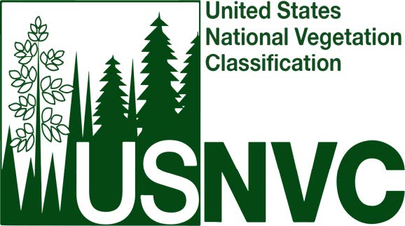

Proceedings of the United States National Vegetation Classification

U.S. National Vegetation Classification 3.0: The Revisions Process
Appendix E. USNVC Lineage Tracking Report: Changes from 2.0 to 3.0

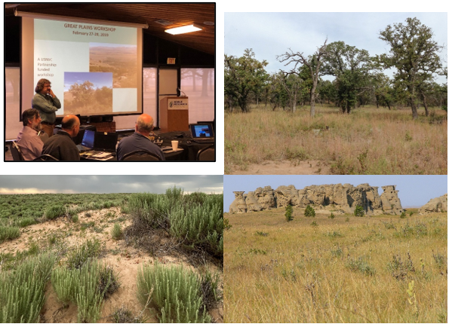

Submitted October 2025
USNVC-Proc-7

